1. Title Page
Instacart Basket Analysis

Project Name: Instacart Basket Analysis
Date: 2/8/2022
Analyst Name: Justin Turverey

Contents:
Population Flow
Consistency checks
Wrangling steps
Column derivations
Visualizations
Recommendations

Citation
“The Instacart Online Grocery Shopping Dataset 2017”, Accessed from https://www.instacart.com/datasets/grocery-shopping-2017 on 1/11/2022

2. Population Flow
Title page

Population flow

Exclusion flag
Condition: max_order > 4
Obervations to be removed: 1440295
Final total count of order_products_all: 30964564

Orders_products_combined
Orders_products_merged
Orders_products_all

Total: 32404859
Total: 32434489
Total: 30964564

1.) The grey boxes in the first row of the population flow represent the original data sets as they were when you downloaded them. In the Total fields you need to add the count of the rows when you imported the data set into Jupyter.
2.) The second row of boxes (coloured) represents the data sets after you manipulated them, e.g., removed missing values and duplicates. In the Total fields you need to add the count of the rows after conducting these operations. This offers a visual oveview of how the data flows throughout the data consistency checks.
3.) The third row, where also the arrows are coloured, represents the merges you performed between the datasets. In the Total fields you need to add the count of the rows in the merged datasets, so that you end up with the final dataset (in the red box). Keep in mind the final dataset should be without exclusions (based on the exclusion flag).

3. Consistency Checks
 |  |  |  | Title page
Consistency checks

Dataset | Missing values | Missing values treatment | Duplicates
orders | 206209 | These missing values were from the column 'days since prior order', and were all shown to be valid, because they represented first-time orders. | 0
products | 16 | Records deleted | 5
orders_products_prior | 0 |  | 0
customers | 11259 | These missing values were from the column 'first name'. The entire column was deleted, so these missing values were not an issue. | 0

4. Wrangling Steps
 |  |  |  | Title page
Wrangling steps

Columns dropped | Columns renamed | Columns' type changed | Comment/Reason
First Name |  |  | Not needed
Surname |  |  | Security issue
Date Joined |  |  | Not needed
eval_set |  |  | Not needed
 | n_dependants |  | Changed to number_of_dependants
 | fam_status |  | Changed to marital_status
 | income |  | Changed to annual_income
 | order_dow |  | Changed to order_day_of_week
 |  | order_id | Changed from integer to string
 |  | user_id | Changed from integer to string

5. Column Derivations
 |  |  |  |  | Title page
In this tab you should add tables below that the frequences of flags/label variables that you produced after deriving them. NB: don't do this for continuous variables, only for flags.
Column derivations and aggregations

Dataset | New column | Column/s it was derived from | Conditions
1
products | price_range | prices | prices > 5 & prices <= 15 | Mid-range product 21860860
 |  |  | prices <= 5 | Low-range product 10126321
 |  |  | prices > 15 | High-range product 417678
2
orders | busiest_day | order_day_of_week | day is any other day | Regularly busy 22416875
 |  |  | day is Saturday | Busiest day 6204182
 |  |  | day is Tuesday | Least busy 3783802
3
orders | busiest_period_of_day | order_hour_of_day | hour is 10, 11, 14, 15, 13, 12, 16, or 9 | Most orders 21118071
 |  |  | hour is 17, 8, 18, 19, 20, 7, 21, or 22 | Average Orders 9997651
 |  |  | hour is any other hour | Fewest Orders 1289137
4
orders | total_user_orders | user_id, order_number | total orders placed by each user
5
orders_products_merged | loyalty_status | total_user_orders | total_user_orders > 10 & <= 40 | Regular customer 15876776
 |  |  | total_user_orders > 40 | Loyal customer 10284093
 |  |  | total_user_orders <= 10 | New customer 6243990
6
orders_products_merged | average_product_price | user_id, prices | average product price for each user
7
orders_products_merged | spending_status | average_product_price | average_product_price < 10 | Low spender 31770614
 |  |  | average_product_price >= 10 | High spender 634245
8
orders | median_days_since_prior_order | user_id, days_since_prior_order | median days since prior order for each user
9
orders_products_merged | order_frequency_status | median_days_since_prior_order | median_days_since_prior_order <= 10 | Frequent customer 21559853
 |  |  | median_days_since_prior_order > 10 & <= 20 | Regular customer 7208564
 |  |  | median_days_since_prior_order > 20 | Non-frequent customer 3636437
10
customers | region | state | state is in south | South 10791885
 |  |  | state is in west | West 8292913
 |  |  | state is in midwest | Midwest 7597325
 |  |  | state is in northeast | Northeast 5722736
11
orders_products_merged | low_activity | total_user_orders | total_user_orders >= 5 | False 30964564
 |  |  | total_user_orders < 5 | True 1440295
12
customers | type | age, marital_status | age is >= 31 & < 65 & marital_status is married | Married adult 12897286
 |  |  | age is >= 65 & marital_status is married | Married senior 6455000
 |  |  | age is >= 31 & < 65 & marital_status is unmarried | Unmarried adult 4333130
 |  |  | age < 31 & marital_status is married | Married young adult 3404467
 |  |  | age < 31 & marital_status is unmarried | Unmarried young adult 3194892
 |  |  | age is >= 65 & marital_status is unmarried | Unmarried senior 2120084

6. Visualizations
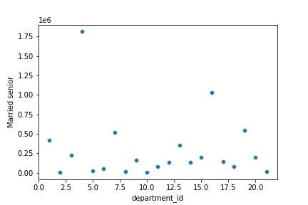
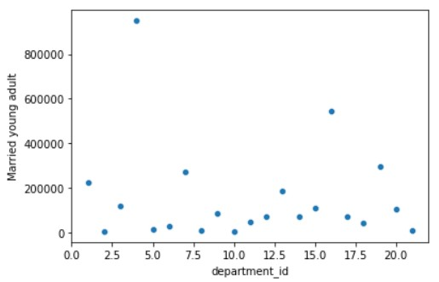
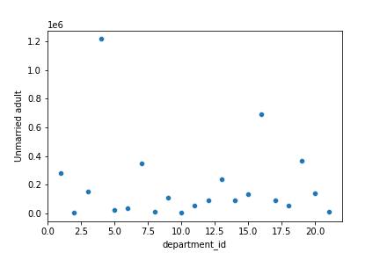
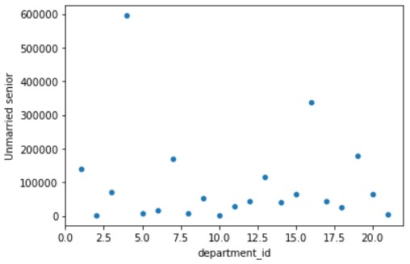
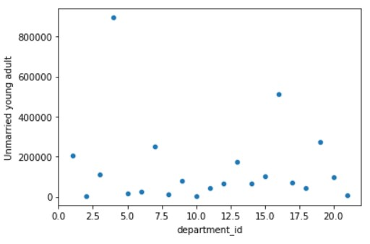
 | Title page

Visualisations

In this tab you should include all the visualtions from Exercises 4.9 and 4.10, alongside the questions from the project brief that they answer. Include any commentary on the relationship between different variables.

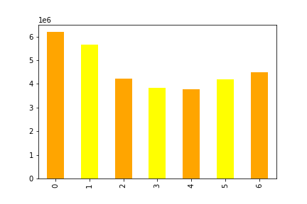

Question anwered:
What is the busiest day of the week?

x-axis: days of the week, with 0 representing Saturday and 6 representing Friday
y-axis: total number of products ordered

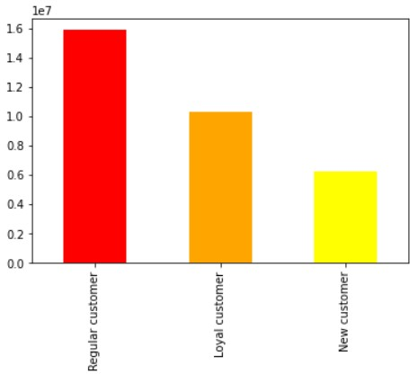

Question answered:
How often do users return to use Instacart?

y-axis: total number of products ordered

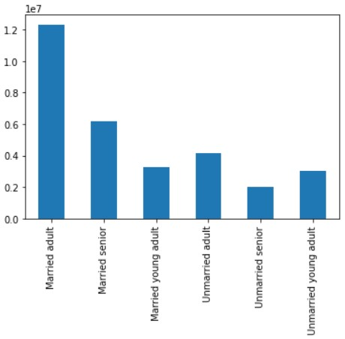
Question answered:
What different classifications does the demographic information suggest?

y-axis: total number of products ordered



Question answered:
What is the busiest hour of the day?

x-axis: hour of the day, with 0 representing midnight and 23 represening 11pm
y-axis: total number of products ordered.

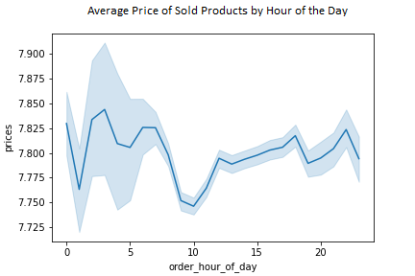

Question answered:
What are the particular times of the day when people tend to buy expensive products?

x-axis: hour of the day
y-axis: average price of purchased products

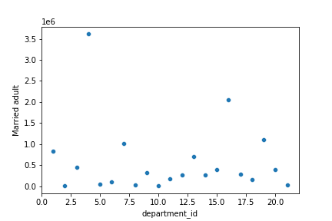

6 scatterplots
Question answered:
Is there a connection between age and family status in terms of ordering habits?

x-axis: store departments
y-axis: total number of products ordered

7. Recommendations
Recommendations
 |  |  |  |  |  |  |  |  | Title page | 0 | 6204182
 |  |  |  |  |  |  |  |  |  | 1 | 5660230
 |  |  |  |  |  |  |  |  |  | 2 | 4213830
 |  |  |  |  |  |  |  |  |  | 3 | 3840534
In this tab you should include any recommendations you would made to Instcart in terms of their marketing strategy based on the questions posed in the brief. Every key question has been covered in the Tasks of the Exercises - here you need to add an item - a visualisation or table/crosstable that is showing the answer in the data, acompanied by a comment from you. Please, list the questions below and add the answer underneath.
 |  |  |  |  |  |  |  |  |  | 4 | 3783802
 |  |  |  |  |  |  |  |  |  | 5 | 4205791
 |  |  |  |  |  |  |  |  |  | 6 | 4496490

 |  |  |  |  |  |  |  |  |  | 0 | 218769
 |  |  |  |  |  |  |  |  |  | 1 | 115700
 |  |  |  |  |  |  |  |  |  | 2 | 69375
 | Question |  | Answer |  |  |  |  |  |  | 3 | 51281
 | Key Question 1: What are the busiest days of the week and busiest hours of the day? |  | The busiest day of the week is Saturday. The busiest hour of the day is 10am. |  |  |  |  |  |  | 4 | 53242
Orders by Day of the Week (0 represents Saturday and 6 represents Friday)
Orders by Hour of the Day (0 represents Midnight and 23 represents 11pm)
 |  |  |  |  |  |  |  |  |  | 5 | 87961
 |  |  |  |  |  |  |  |  |  | 6 | 290493
 |  |  |  |  |  |  |  |  |  | 7 | 891054
 |  |  |  |  |  |  |  |  |  | 8 | 1718118
 |  |  |  |  |  |  |  |  |  | 9 | 2454203
 |  |  |  |  |  |  |  |  |  | 10 | 2761760
 |  |  |  |  |  |  |  |  |  | 11 | 2736140
 |  |  |  |  |  |  |  |  |  | 12 | 2618532
 |  |  |  |  |  |  |  |  |  | 13 | 2660954
 |  |  |  |  |  |  |  |  |  | 14 | 2689136
 |  |  |  |  |  |  |  |  |  | 15 | 2662144
 |  |  |  |  |  |  |  |  |  | 16 | 2535202
 |  |  |  |  |  |  |  |  |  | 17 | 2087654
 |  |  |  |  |  |  |  |  |  | 18 | 1636502
 |  |  |  |  |  |  |  |  |  | 19 | 1258305
 |  |  |  |  |  |  |  |  |  | 20 | 976156
 |  |  |  |  |  |  |  |  |  | 21 | 795637
 |  |  |  |  |  |  |  |  |  | 22 | 634225
 |  |  |  |  |  |  |  |  |  | 23 | 402316

 | Key Question 2: Are there particular times of the day when people buy more expensive products? |  | People tend to buy the most expensive products early in the day, between 2am and 7am.

 | Key Question 3: Are there certain product departments that have more sales than others? |  | The top three departments in terms of sales are: Produce, Dairy/eggs, and Beverages. The three departments with the lowest sales are: Missing, Bulk, and Other.

 | Department | Total sales
 | produce | $75,660,935
 | dairy eggs | $44,956,125
 | beverages | $20,646,135
 | frozen | $17,289,207
 | pantry | $15,020,661
 | snacks | $12,345,538
 | meat seafood | $11,551,570
 | bakery | $9,208,026
 | deli | $8,177,352
 | canned goods | $8,053,132
 | dry goods pasta | $6,369,954
 | breakfast | $5,644,626
 | household | $5,454,353
 | personal care | $3,579,130
 | babies | $3,237,161
 | international | $2,068,473
 | alcohol | $1,251,654
 | pets | $770,888
 | missing | $598,845
 | bulk | $288,649
 | other | $253,708

 | Key Question 4: What is the distribution of how often users return to Instacart? |  | Most users are regular customers, which means they have placed between 11 - 40 orders. Loyal customers have placed over 40 orders, and new customers have placed 10 orders or less.
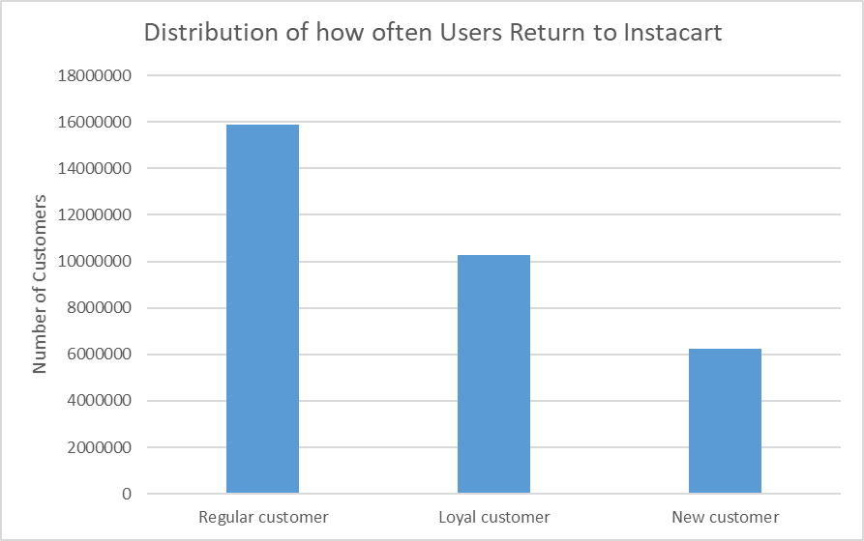

 | Key Question 5: Are there differences in ordering habits based on a customer’s region? |  | All four regions sell a large number of low-cost products (less than $10) and very few high-cost products ($10 or more). The South tends to sell the most products in general.

Low-cost Products Sold by Region
High-cost Products Sold by Region

 |  |  |  |  | Midwest | Northeast | South | West
 |  |  |  | High-cost products | 155975 | 108225 | 209691 | 160354
 |  |  |  | Low-cost products | 7441350 | 5614511 | 10582194 | 8132559

 | Key Question 6: Is there a connection between age and marital status in terms of ordering habits? |  | There is no connection between age and marital status in terms of ordering habits. The types of products ordered are almost identical for each profile, with departments 4 and 16 being the most popular (3 of 6 profile types shown).

 |  |  | y-axis represents the total number of products ordered.

 | Key Question 7: What different classifications does the demographic information suggest? |  | Demographic information suggests that the youngest customers are more likely to place orders between the hours of 12am - 2am. Additionally, customers with lower income are most likely to place orders between 9am - 11am, while customers with higher income are likely to place orders between 4am - 5am.

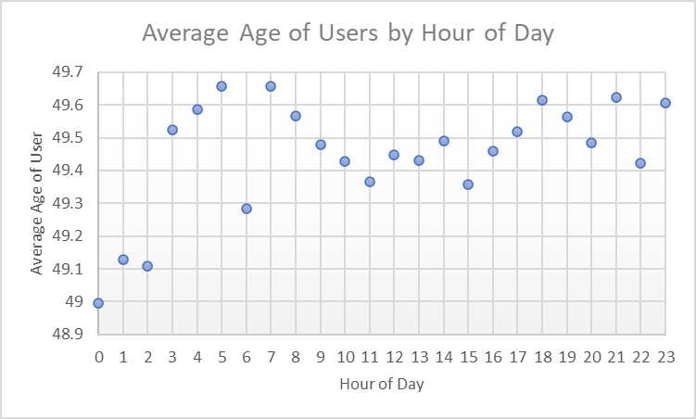
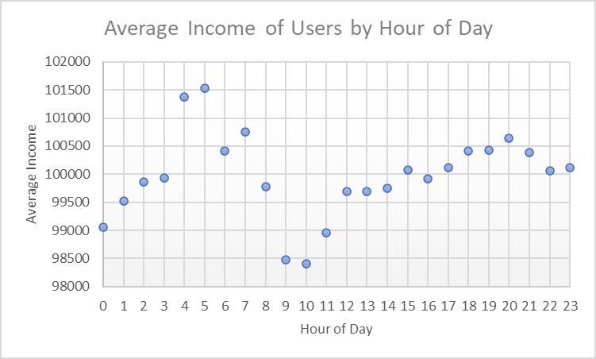

 | Recommendations
1 | The day with the least amount of business for Instacart is Wednesday. It is recommended that Instacart begin a promotional offer to users who decide to place an order on this day.
2 | The departments "Bulk" and "Pets" generate some of the least revenue out of all departments. It is recommended that Instacart focus more advertising efforts for items from these departments.
3 | The Northeast sells the least amount of products out of all regions. It is recommended that Instacart allocate more resources to advertising within this region.
4 | The average income of active Insacart users is lowest in the late hours of the moring. It is recommended that Instacart offer a promotional discount to users who place orders in the timeframe of 9am - 12pm.

